Front
 |  |  |  |  |  | SUBMITTAL DATA
 |  |  |  |  |  | MX SERIES AIR HANDLER

Job: |  |  |  | Engineer:
Location: |  |  |  | Architect:
Schedule No.: |  |  |  | Date:
System Designation: |  |  |  | For:

FEATURES
Easy Installation: "One-Man-Job"
Cabinet lined with high quality 5/8" foil faced insulation.
Available from factory as upflow, downflow, and horizontal.
Only four screws to remove blower panel, making it easier to service.
Embossed cabinet in heavy gauge galvanized steel to prevent corrosion.
Factory installed fan time delay postpones blower shutoff 30 seconds in heating mode and 45 seconds in cooling mode.
Dynamically balanced 3-speed PSC or 5-speed ECM motor with easy to adjust settings for fine tuning customer comfort.
Approved for installation in manufactured housing and mobile homes.
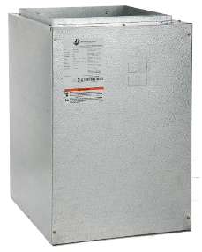

10-year limited warranty available.
Product registration required.
Product Warranty

Electric Heat Kit
Aquastat Kit
Optional Accessories

 |  | Unit Size
 |  | MXC8WPN4BA | MXC12ANN4CA | MXE1600N2EA | MXE800N2EA
Hot Water Coil |  | Hot water coil with pump | Hot water coil | No hot water coil | No hot water coil
Heat Size |  | 3 row hot water coil | 4 row hot water coil | No heat | No heat
Blower Data: | Motor Type | 3-speed PSC motor | 3-speed PSC motor | 5-speed ECM motor | 5-speed ECM motor
 | Motor H.P. | 1/3 | 1/2 | 3/4 | 1/3
 | F.L.A. | 5.3 | 7.1 | 6 | 2.8
Nominal CFM |  | 800 | 1200 | 1600 | 800
Max Unit Weight (lbs) |  | 66 | 66 | 74 | 69
Available Voltages |  | 120 V, 60 Hz, 1 Ph | 120 V, 60 Hz, 1 Ph | 208/240 V, 60 Hz, 1 Ph | 208/240 V, 60 Hz, 1 Ph
Maximum Elec. Heat available (kW) |  | 10 kW | 15 kW | 20 kW | 10 kW
Transformer Size and Type |  | 40 VA, Class 2 | 40 VA, Class 2 | 40 VA, Class 2 | 40 VA, Class 2
Pump Conn. Size |  | 7/8" | 7/8" | 7/8" | 7/8"
Pump Amps |  | 0.52 | 0.52 | 0.52 | 0.52

 |  |  | Product Nomenclature

Product improvement is a continuous process at Advanced Distributor Products. Therefore, product specifications are subject to change without notice and without obligation on our part. Please contact your ADP representative or distributor to verify details.
© 2025 by Advanced Distributor Products. All rights reserved.

2140 Lake Park Blvd., Richardson, TX 75080
www.adpnow.com

Back
 | SUBMITTAL DATA
 | MX SERIES AIR HANDLER

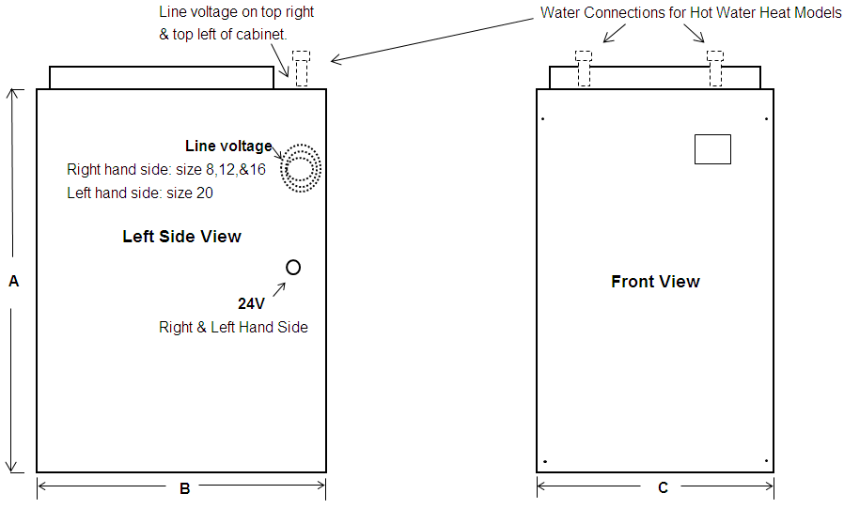

3-speed psc 120 Volt (hot water)

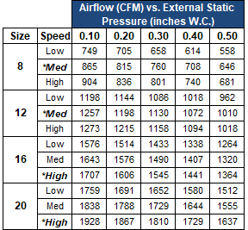

5-speed ecm 240 Volt (electric heat and No heat)
